Evap_Exp_V2
Test 24 Air-side Results: Evap_Exp_V2
Vact | 1811.6284065 | kg/h
Vstd | 1875.6 | kg/h
∆P_Evap | 34.0651537 | Pa
k (Evaporator Fan/Pump Duct Pressure Loss Coefficient) | 31.6472 | Pa.S2/kg.m3
∆P_Duct | 9.6835 | Pa
Actual Air Density @ Tair_in for Evap. | 1.242376173 | kg/m3
Standard Air Density (Rho_std) | 1.2 | kg/m3
Actual Air Density @ Tair_out for Evap. | 1.2774736266 | kg/m3
Face Area (m2) | 0.34 | m2

ACT_SystemCurve (Evap_Exp_V2)
Vact (m3/h) | mact (kg/s) | uact (m/s) | ∆P_Evap_Act (pa) | ∆P_Duct_Act (pa) | ∆P_Tot_Act (Pa) | Vact/fan (m3/h)
2400 | 0.82825078202 | 1.9607843137 | 59.785324731 | 16.994447813 | 76.779772544 | 400
2200 | 0.75922988352 | 1.7973856209 | 50.236279808 | 14.280056843 | 64.516336651 | 366.66666667
2000 | 0.69020898502 | 1.6339869281 | 41.517586618 | 11.80169987 | 53.319286489 | 333.33333333
1811.6284065 | 0.62520110186 | 1.4800885674 | 34.0651537 | 9.6832873185 | 43.748441018 | 301.93806776
1800 | 0.62118808652 | 1.4705882353 | 33.629245161 | 9.5593768949 | 43.188622056 | 300
1600 | 0.55216718802 | 1.3071895425 | 26.571255436 | 7.553087917 | 34.124343353 | 266.66666667
1400 | 0.48314628951 | 1.1437908497 | 20.343617443 | 5.7828329364 | 26.126450379 | 233.33333333
1200 | 0.41412539101 | 0.98039215686 | 14.946331183 | 4.2486119533 | 19.194943136 | 200
1000 | 0.34510449251 | 0.81699346405 | 10.379396655 | 2.9504249676 | 13.329821622 | 166.66666667
800 | 0.27608359401 | 0.65359477124 | 6.6428138589 | 1.8882719792 | 8.5310858382 | 133.33333333
600 | 0.20706269551 | 0.49019607843 | 3.7365827957 | 1.0621529883 | 4.798735784 | 100
400 | 0.138041797 | 0.32679738562 | 1.6607034647 | 0.47206799481 | 2.1327714595 | 66.666666667
200 | 0.069020898502 | 0.16339869281 | 0.41517586618 | 0.1180169987 | 0.53319286489 | 33.333333333
0 | 0 | 0 | 0 | 0 | 0 | 0

 | ACT_System Curve (P_sys) | a | b | c
 |  | 4.799E-04 | 3.345E-18 | -1.066E-14

 | ACT_FanPerformance
 | ACT_Fan Speed (RPM) | 1400
 |  | ACT_FanCurve_1400RPM (ΔP) | ACT_FanCurve_1400RPM (Power)
 | V (m3/h) | ΔP (Pa) | Power (W)
 | 400 | 3.3503201522 | 14.300579675
 | 366.66666667 | 16.322717347 | 16.094618827
 | 333.33333333 | 28.917879554 | 17.071465088
 | 301.93806776 | 40.889107204 | 17.314755761
 | 300 | 41.573696801 | 17.311470413
 | 266.66666667 | 51.361836575 | 16.996878476
 | 233.33333333 | 57.217570597 | 16.350081108
 | 200 | 62.673037964 | 15.585587688
 | 166.66666667 | 76.093944643 | 14.875707486
 | 133.33333333 | 108.41969934 | 14.329944946
 | 100 | 168.40698571 | 13.988107933
 | 66.666666667 | 255.37677097 | 13.827128919
 | 33.333333333 | 349.46475083 | 13.781599121
 | 0 | 399.37523082 | 13.778015597

 | ACT_Fan Curve (P_fan) | a | b | c | d | e | f | g
 |  | -2.5277706829E-12 | 3.7437243756E-09 | -2.1261563281E-06 | 0.00056049544927 | -0.061375753465 | 2.6439416687E-14 | 399.37523082

 | ACT_Fan Curve (Power_fan) | a | b | c | d | e | f | g
 |  | 1.3884361847E-14 | -1.3877216596E-11 | 3.3498014023E-09 | -8.8676494241E-20 | 7.4219102658E-18 | -2.0048030765E-16 | 13.778015597

 | Working Point
 | ACT_SystemCurve working pressure (Pa) | ACT_FanCurve working pressure (Pa) | Supplied Air volume flow rate/fan (m3/h) | No of fans | Total Supplied Volume Flow Rate (m3/h)
 | 42.457632862 | 42.458523499 | 297.45033979 | 6 | 1784.7020388

 | Difference between curves |  |  |  | Total Inlet Mass Flow Rate (kg/s)
 | 7.9323453447E-07 |  |  |  | 0.61590869137

 |  |  |  |  | Total fan Power Consmption(W)
 |  |  |  |  | 103.82569885

Evap_Num_5x4_ST_3c_V2
Test 24 Air-side Results: Evap_Num_5x4_ST_3c_V2
Vact | 1811.6284065 | kg/h
mact | 0.62520110186 | kg/s
Vstd | 1875.6 | kg/h
∆P_Evap | 27.422 | Pa
k (Evaporator Fan/Pump Duct Pressure Loss Coefficient) | 31.6472 | Pa.S2/kg.m3
∆P_Duct | 9.5966983462 | Pa
Actual Air Density @ Tair_in for Evap. | 1.242376173 | kg/m3
Standard Air Density (Rho_std) | 1.2 | kg/m3
Actual Air Density @ Tair_out for Evap. | 1.289 | kg/m3
Face Area (m2) | 0.34 | m2

ACT_SystemCurve (Evap_Num_5x4_ST_3c_V2 )
Vact (m3/h) | mact (kg/s) | uact (m/s) | ∆P_Evap_Act (pa) | ∆P_Duct_Act (pa) | ∆P_Tot_Act (Pa) | Vact/fan (m3/h)
2400 | 0.82825078202 | 1.9607843137 | 48.126398877 | 16.842481676 | 64.968880553 | 400
2200 | 0.75922988352 | 1.7973856209 | 40.439543501 | 14.152363075 | 54.591906576 | 366.66666667
2000 | 0.69020898502 | 1.6339869281 | 33.421110331 | 11.69616783 | 45.117278162 | 333.33333333
1811.6284065 | 0.62520110186 | 1.4800885674 | 27.422 | 9.5966983462 | 37.018698346 | 301.93806776
1800 | 0.62118808652 | 1.4705882353 | 27.071099368 | 9.4738959426 | 36.544995311 | 300
1600 | 0.55216718802 | 1.3071895425 | 21.389510612 | 7.4855474115 | 28.875058024 | 266.66666667
1400 | 0.48314628951 | 1.1437908497 | 16.376344062 | 5.7311222369 | 22.107466299 | 233.33333333
1200 | 0.41412539101 | 0.98039215686 | 12.031599719 | 4.2106204189 | 16.242220138 | 200
1000 | 0.34510449251 | 0.81699346405 | 8.3552775829 | 2.9240419576 | 11.27931954 | 166.66666667
800 | 0.27608359401 | 0.65359477124 | 5.347377653 | 1.8713868529 | 7.2187645059 | 133.33333333
600 | 0.20706269551 | 0.49019607843 | 3.0078999298 | 1.0526551047 | 4.0605550346 | 100
400 | 0.138041797 | 0.32679738562 | 1.3368444133 | 0.46784671322 | 1.8046911265 | 66.666666667
200 | 0.069020898502 | 0.16339869281 | 0.33421110331 | 0.1169616783 | 0.45117278162 | 33.333333333
0 | 0 | 0 | 0 | 0 | 0 | 0

 | ACT_System Curve (P_sys) | a | b | c
 |  | 4.061E-04 | -4.562E-17 | 7.105E-15

 | ACT_FanPerformance
 | ACT_Fan Speed (RPM) | 1400
 |  | ACT_FanCurve_1400RPM (ΔP) | ACT_FanCurve_1400RPM (Power)
 | V (m3/h) | ΔP (Pa) | Power (W)
 | 400 | 3.3805493799 | 14.42961077
 | 366.66666667 | 16.469993761 | 16.239837156
 | 333.33333333 | 29.178799444 | 17.225497294
 | 301.93806776 | 41.258040939 | 17.470983127
 | 300 | 41.948807443 | 17.467668136
 | 266.66666667 | 51.825263525 | 17.150237703
 | 233.33333333 | 57.733832593 | 16.497604419
 | 200 | 63.238523483 | 15.726213138
 | 166.66666667 | 76.780524154 | 15.009927837
 | 133.33333333 | 109.39794727 | 14.459240998
 | 100 | 169.92648619 | 14.114319662
 | 66.666666667 | 257.68098137 | 13.951888168
 | 33.333333333 | 352.61789711 | 13.905947565
 | 0 | 402.97870876 | 13.902331708

 | ACT_Fan Curve (P_fan) | a | b | c | d | e | f | g
 |  | -2.5505782213E-12 | 3.777503206E-09 | -2.1453401853E-06 | 0.00056555268075 | -0.061929533862 | -1.1746241707E-13 | 402.97870876

 | ACT_Fan Curve (Power_fan) | a | b | c | d | e | f | g
 |  | 1.4009637497E-14 | -1.4002427776E-11 | 3.3800259493E-09 | 2.4267749038E-19 | -2.4480667335E-17 | 9.8788809959E-16 | 13.902331708

 | Working Point
 | ACT_SystemCurve working pressure (Pa) | ACT_FanCurve working pressure (Pa) | Supplied Air volume flow rate/fan (m3/h) | No of fans | Total Supplied Volume Flow Rate (m3/h)
 | 38.727304227 | 38.727589478 | 308.82747674 | 6 | 1852.9648604

 | Difference between curves |  |  |  | Total Inlet Mass Flow Rate (kg/s)
 | 8.1368619438E-08 |  |  |  | 0.63946649779

 |  |  |  |  | Total fan Power Consmption(W)
 |  |  |  |  | 104.80038228

Evap_Num_5x4_ST_9c_V4
Test 24 Air-side Results: Evap_Num_5x4_ST_9c_V4
Vact | 1811.6284065 | kg/h
mact | 0.62520110186 | kg/s
Vstd | 1875.6 | kg/h
∆P_Evap | 16.951 | Pa
k (Evaporator Fan/Pump Duct Pressure Loss Coefficient) | 31.6472 | Pa.S2/kg.m3
∆P_Duct | 9.5596168224 | Pa
Actual Air Density @ Tair_in for Evap. | 1.242376173 | kg/m3
Standard Air Density (Rho_std) | 1.2 | kg/m3
Actual Air Density @ Tair_out for Evap. | 1.294 | kg/m3
Face Area (m2) | 0.34 | m2

ACT_SystemCurve (Evap_Num_5x4_ST_9c_V4)
Vact (m3/h) | mact (kg/s) | uact (m/s) | ∆P_Evap_Act (pa) | ∆P_Duct_Act (pa) | ∆P_Tot_Act (Pa) | Vact/fan (m3/h)
2400 | 0.82825078202 | 1.9607843137 | 29.749492647 | 16.777402535 | 46.526895182 | 400
2200 | 0.75922988352 | 1.7973856209 | 24.997837572 | 14.097678519 | 39.09551609 | 366.66666667
2000 | 0.69020898502 | 1.6339869281 | 20.659369894 | 11.650973983 | 32.310343876 | 333.33333333
1811.6284065 | 0.62520110186 | 1.4800885674 | 16.951 | 9.5596168224 | 26.510616822 | 301.93806776
1800 | 0.62118808652 | 1.4705882353 | 16.734089614 | 9.4372889258 | 26.17137854 | 300
1600 | 0.55216718802 | 1.3071895425 | 13.221996732 | 7.4566233488 | 20.678620081 | 266.66666667
1400 | 0.48314628951 | 1.1437908497 | 10.123091248 | 5.7089772514 | 15.832068499 | 233.33333333
1200 | 0.41412539101 | 0.98039215686 | 7.4373731618 | 4.1943506337 | 11.631723795 | 200
1000 | 0.34510449251 | 0.81699346405 | 5.1648424735 | 2.9127434956 | 8.0775859691 | 166.66666667
800 | 0.27608359401 | 0.65359477124 | 3.305499183 | 1.8641558372 | 5.1696550202 | 133.33333333
600 | 0.20706269551 | 0.49019607843 | 1.8593432904 | 1.0485876584 | 2.9079309489 | 100
400 | 0.138041797 | 0.32679738562 | 0.82637479575 | 0.4660389593 | 1.2924137551 | 66.666666667
200 | 0.069020898502 | 0.16339869281 | 0.20659369894 | 0.11650973983 | 0.32310343876 | 33.333333333
0 | 0 | 0 | 0 | 0 | 0 | 0

 | ACT_System Curve (P_sys) | a | b | c
 |  | 2.908E-04 | -4.378E-17 | 3.553E-15

 | ACT_FanPerformance
 | ACT_Fan Speed (RPM) | 1400
 |  | ACT_FanCurve_1400RPM (ΔP) | ACT_FanCurve_1400RPM (Power)
 | V (m3/h) | ΔP (Pa) | Power (W)
 | 400 | 3.3936624496 | 14.485582883
 | 366.66666667 | 16.533880471 | 16.302831094
 | 333.33333333 | 29.291983305 | 17.292314584
 | 301.93806776 | 41.418079888 | 17.538752651
 | 300 | 42.111525859 | 17.535424801
 | 266.66666667 | 52.026292475 | 17.216763062
 | 233.33333333 | 57.957780741 | 16.56159823
 | 200 | 63.483824195 | 15.787214741
 | 166.66666667 | 77.078353961 | 15.068150986
 | 133.33333333 | 109.82229928 | 14.515328046
 | 100 | 170.58562695 | 14.169068769
 | 66.666666667 | 258.6805197 | 14.006007207
 | 33.333333333 | 353.98569345 | 13.959888401
 | 0 | 404.54185348 | 13.956258518

 | ACT_Fan Curve (P_fan) | a | b | c | d | e | f | g
 |  | -2.5604718529E-12 | 3.7921560501E-09 | -2.1536619083E-06 | 0.00056774644599 | -0.062169757034 | -1.1902057879E-13 | 404.54185348

 | ACT_Fan Curve (Power_fan) | a | b | c | d | e | f | g
 |  | 1.4063980544E-14 | -1.4056742857E-11 | 3.3931369887E-09 | 2.6823378662E-19 | -2.6554809086E-17 | 1.048391444E-15 | 13.956258518

 | Working Point
 | ACT_SystemCurve working pressure (Pa) | ACT_FanCurve working pressure (Pa) | Supplied Air volume flow rate/fan (m3/h) | No of fans | Total Supplied Volume Flow Rate (m3/h)
 | 31.324988724 | 31.325002275 | 328.211215 | 6 | 1969.26729

 | Difference between curves |  |  |  | Total Inlet Mass Flow Rate (kg/s)
 | 1.8363441778E-10 |  |  |  | 0.67960298874

 |  |  |  |  | Total fan Power Consmption(W)
 |  |  |  |  | 104.24661929

Evap_Num_16x4_ST_3c_V5_1400RPM
Test 24 Air-side Results: Evap_Num_16x4_ST_3c_V5_1400RPM
Vact | 1811.6284065 | kg/h
mact | 0.62520110186 | kg/s
Vstd | 1875.6 | kg/h
∆P_Evap | 47.987 | Pa
k (Evaporator Fan/Pump Duct Pressure Loss Coefficient) | 31.6472 | Pa.S2/kg.m3
∆P_Duct | 9.5966983462 | Pa
Actual Air Density @ Tair_in for Evap. | 1.242376173 | kg/m3
Standard Air Density (Rho_std) | 1.2 | kg/m3
Actual Air Density @ Tair_out for Evap. | 1.289 | kg/m3
Face Area (m2) | 0.34 | m2

ACT_SystemCurve (Evap_Num_16x4_ST_3c_V5_1400RPM)
Vact (m3/h) | mact (kg/s) | uact (m/s) | ∆P_Evap_Act (pa) | ∆P_Duct_Act (pa) | ∆P_Tot_Act (Pa) | Vact/fan (m3/h)
2400 | 0.82825078202 | 1.9607843137 | 84.218565492 | 16.842481676 | 101.06104717 | 400
2200 | 0.75922988352 | 1.7973856209 | 70.766989059 | 14.152363075 | 84.919352134 | 366.66666667
2000 | 0.69020898502 | 1.6339869281 | 58.485114925 | 11.69616783 | 70.181282755 | 333.33333333
1811.6284065 | 0.62520110186 | 1.4800885674 | 47.987 | 9.5966983462 | 57.583698346 | 301.93806776
1800 | 0.62118808652 | 1.4705882353 | 47.372943089 | 9.4738959426 | 56.846839032 | 300
1600 | 0.55216718802 | 1.3071895425 | 37.430473552 | 7.4855474115 | 44.916020963 | 266.66666667
1400 | 0.48314628951 | 1.1437908497 | 28.657706313 | 5.7311222369 | 34.38882855 | 233.33333333
1200 | 0.41412539101 | 0.98039215686 | 21.054641373 | 4.2106204189 | 25.265261792 | 200
1000 | 0.34510449251 | 0.81699346405 | 14.621278731 | 2.9240419576 | 17.545320689 | 166.66666667
800 | 0.27608359401 | 0.65359477124 | 9.357618388 | 1.8713868529 | 11.229005241 | 133.33333333
600 | 0.20706269551 | 0.49019607843 | 5.2636603433 | 1.0526551047 | 6.316315448 | 100
400 | 0.138041797 | 0.32679738562 | 2.339404597 | 0.46784671322 | 2.8072513102 | 66.666666667
200 | 0.069020898502 | 0.16339869281 | 0.58485114925 | 0.1169616783 | 0.70181282755 | 33.333333333
0 | 0 | 0 | 0 | 0 | 0 | 0

 | ACT_System Curve (P_sys) | a | b | c
 |  | 6.316E-04 | -2.307E-18 | -7.105E-15

 | ACT_FanPerformance
 | ACT_Fan Speed (RPM) | 1400
 |  | ACT_FanCurve_1400RPM (ΔP) | ACT_FanCurve_1400RPM (Power)
 | V (m3/h) | ΔP (Pa) | Power (W)
 | 400 | 3.3805493799 | 14.42961077
 | 366.66666667 | 16.469993761 | 16.239837156
 | 333.33333333 | 29.178799444 | 17.225497294
 | 301.93806776 | 41.258040939 | 17.470983127
 | 300 | 41.948807443 | 17.467668136
 | 266.66666667 | 51.825263525 | 17.150237703
 | 233.33333333 | 57.733832593 | 16.497604419
 | 200 | 63.238523483 | 15.726213138
 | 166.66666667 | 76.780524154 | 15.009927837
 | 133.33333333 | 109.39794727 | 14.459240998
 | 100 | 169.92648619 | 14.114319662
 | 66.666666667 | 257.68098137 | 13.951888168
 | 33.333333333 | 352.61789711 | 13.905947565
 | 0 | 402.97870876 | 13.902331708

 | ACT_Fan Curve (P_fan) | a | b | c | d | e | f | g
 |  | -2.5505782213E-12 | 3.777503206E-09 | -2.1453401853E-06 | 0.00056555268075 | -0.061929533862 | -1.1746241707E-13 | 402.97870876

 | ACT_Fan Curve (Power_fan) | a | b | c | d | e | f | g
 |  | 1.4009637497E-14 | -1.4002427776E-11 | 3.3800259493E-09 | 2.4267749038E-19 | -2.4480667335E-17 | 9.8788809959E-16 | 13.902331708

 | Working Point
 | ACT_SystemCurve working pressure (Pa) | ACT_FanCurve working pressure (Pa) | Supplied Air volume flow rate/fan (m3/h) | No of fans | Total Supplied Volume Flow Rate (m3/h)
 | 48.884329255 | 48.884329573 | 278.19730893 | 6 | 1669.1838536

 | Difference between curves |  |  |  | Total Inlet Mass Flow Rate (kg/s)
 | 1.012800384E-13 |  |  |  | 0.57604284669

 |  |  |  |  | Total fan Power Consmption(W)
 |  |  |  |  | 103.85762163

Evap_Num_16x4_ST_3c_V5_1600RPM
Test 24 Air-side Results: Evap_Num_16x4_ST_3c_V5_1600RPM
Vact | 1811.6284065 | kg/h
mact | 0.62520110186 | kg/s
Vstd | 1875.6 | kg/h
∆P_Evap | 47.987 | Pa
k (Evaporator Fan/Pump Duct Pressure Loss Coefficient) | 31.6472 | Pa.S2/kg.m3
∆P_Duct | 9.5966983462 | Pa
Actual Air Density @ Tair_in for Evap. | 1.242376173 | kg/m3
Standard Air Density (Rho_std) | 1.2 | kg/m3
Actual Air Density @ Tair_out for Evap. | 1.289 | kg/m3
Face Area (m2) | 0.34 | m2

ACT_SystemCurve (Evap_Num_16x4_ST_3c_V5_1600RPM)
Vact (m3/h) | mact (kg/s) | uact (m/s) | ∆P_Evap_Act (pa) | ∆P_Duct_Act (pa) | ∆P_Tot_Act (Pa) | Vact/fan (m3/h)
2400 | 0.82825078202 | 1.9607843137 | 84.218565492 | 16.842481676 | 101.06104717 | 400
2200 | 0.75922988352 | 1.7973856209 | 70.766989059 | 14.152363075 | 84.919352134 | 366.66666667
2000 | 0.69020898502 | 1.6339869281 | 58.485114925 | 11.69616783 | 70.181282755 | 333.33333333
1811.6284065 | 0.62520110186 | 1.4800885674 | 47.987 | 9.5966983462 | 57.583698346 | 301.93806776
1800 | 0.62118808652 | 1.4705882353 | 47.372943089 | 9.4738959426 | 56.846839032 | 300
1600 | 0.55216718802 | 1.3071895425 | 37.430473552 | 7.4855474115 | 44.916020963 | 266.66666667
1400 | 0.48314628951 | 1.1437908497 | 28.657706313 | 5.7311222369 | 34.38882855 | 233.33333333
1200 | 0.41412539101 | 0.98039215686 | 21.054641373 | 4.2106204189 | 25.265261792 | 200
1000 | 0.34510449251 | 0.81699346405 | 14.621278731 | 2.9240419576 | 17.545320689 | 166.66666667
800 | 0.27608359401 | 0.65359477124 | 9.357618388 | 1.8713868529 | 11.229005241 | 133.33333333
600 | 0.20706269551 | 0.49019607843 | 5.2636603433 | 1.0526551047 | 6.316315448 | 100
400 | 0.138041797 | 0.32679738562 | 2.339404597 | 0.46784671322 | 2.8072513102 | 66.666666667
200 | 0.069020898502 | 0.16339869281 | 0.58485114925 | 0.1169616783 | 0.70181282755 | 33.333333333
0 | 0 | 0 | 0 | 0 | 0 | 0

 | ACT_System Curve (P_sys) | a | b | c
 |  | 6.316E-04 | -2.307E-18 | -7.105E-15

 | ACT_FanPerformance
 | ACT_Fan Speed (RPM) | 1600
 |  | ACT_FanCurve_1600RPM (ΔP) | ACT_FanCurve_1600RPM (Power)
 | V (m3/h) | ΔP (Pa) | Power (W)
 | 400 | 4.4154114349 | 21.539244065
 | 366.66666667 | 21.511828586 | 24.241389575
 | 333.33333333 | 38.111084988 | 25.712695669
 | 301.93806776 | 53.888053472 | 26.079135164
 | 300 | 54.79027911 | 26.074186839
 | 266.66666667 | 67.690140114 | 25.600354822
 | 233.33333333 | 75.407454815 | 24.626161699
 | 200 | 82.597255162 | 23.474697162
 | 166.66666667 | 100.28476624 | 22.405489949
 | 133.33333333 | 142.8871148 | 21.583473443
 | 100 | 221.9447983 | 21.068605443
 | 66.666666667 | 336.56291444 | 20.826142105
 | 33.333333333 | 460.56215132 | 20.757566045
 | 0 | 526.33953797 | 20.752168613

 | ACT_Fan Curve (P_fan) | a | b | c | d | e | f | g
 |  | -3.3313674727E-12 | 4.9338817385E-09 | -2.8020769768E-06 | 0.0007386810524 | -0.080887554432 | -1.5712244276E-13 | 526.33953797

 | ACT_Fan Curve (Power_fan) | a | b | c | d | e | f | g
 |  | 2.0912345185E-14 | -2.0901583153E-11 | 5.0454031663E-09 | 3.8786580987E-19 | -3.9202562368E-17 | 1.6067693792E-15 | 20.752168613

 | Working Point
 | ACT_SystemCurve working pressure (Pa) | ACT_FanCurve working pressure (Pa) | Supplied Air volume flow rate/fan (m3/h) | No of fans | Total Supplied Volume Flow Rate (m3/h)
 | 55.917018179 | 55.917442335 | 297.53639482 | 6 | 1785.2183689

 | Difference between curves |  |  |  | Total Inlet Mass Flow Rate (kg/s)
 | 1.7990817916E-07 |  |  |  | 0.61608687923

 |  |  |  |  | Total fan Power Consmption(W)
 |  |  |  |  | 156.38283284

STD_Fan_Performance_1500RPM
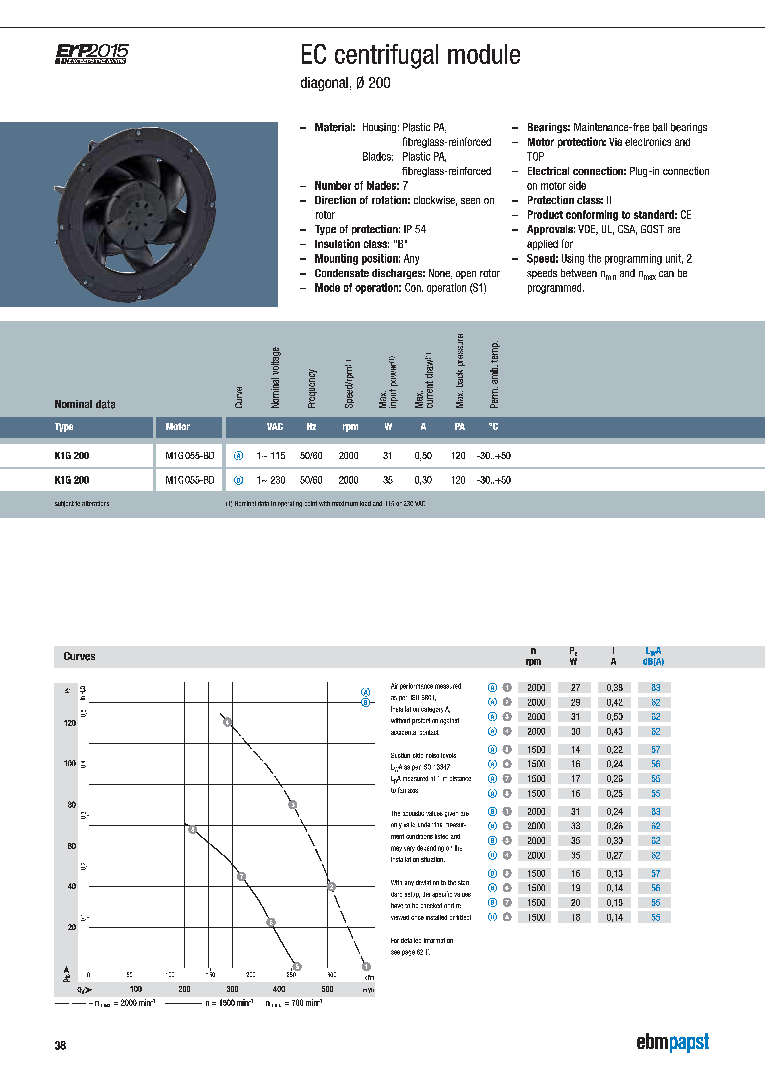

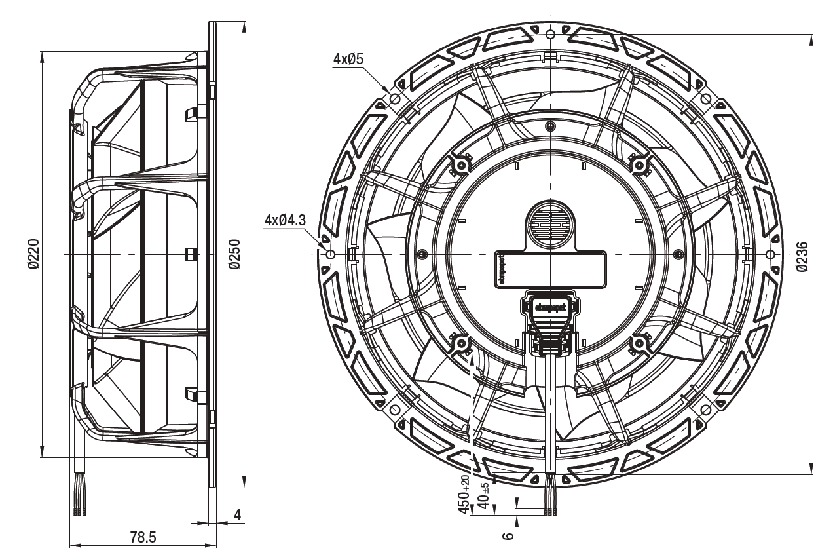

 | STD_Fan curve at 1500 rpm
 | N | 1500 | RPM
 | Q | ΔP | Q | Power
 | m3/h | Pa | m3/h | W
 | 200 | 71.7 | 214 | 18
 | 250 | 61.7 | 321 | 20
 | 300 | 51.7 | 383 | 19
 | 350 | 34 | 435.71 | 16
 | 400 | 15
 | 435.71 | 0

Pstd | a | b | c | d | e | f | g
 | -1.8018311148E-12 | 2.8591931861E-09 | -1.7397948852E-06 | 0.00049140341539 | -0.057653561392 | 0 | 430.66232076

Power_std | a | b | c | d | e | f | g
 | 1.0603898365E-14 | -1.1355472849E-11 | 2.9368728187E-09 | 0 | 0 | 0 | 15.918628419

 | STD_FanCurve_1500RPM (Based on Functions)
 | Vact | Vstd | Pstd | Power_std
 | 400 | 428.57142857 | 3.6127845211 | 16.52238034
 | 366.66666667 | 392.85714286 | 17.601440428 | 18.595149268
 | 333.33333333 | 357.14285714 | 31.183308726 | 19.723762641
 | 301.93806776 | 323.5050726 | 44.092363379 | 20.004852018
 | 300 | 321.42857143 | 44.830583785 | 20.001056244
 | 266.66666667 | 285.71428571 | 55.38552727 | 19.637587926
 | 233.33333333 | 250 | 61.7 | 18.890301287
 | 200 | 214.28571429 | 67.58284915 | 18.007032823
 | 166.66666667 | 178.57142857 | 82.055150812 | 17.186862525
 | 133.33333333 | 142.85714286 | 116.91330791 | 16.556307928
 | 100 | 107.14285714 | 181.60000345 | 16.16136162
 | 66.666666667 | 71.428571429 | 275.38300917 | 15.975372201
 | 33.333333333 | 35.714285714 | 376.84184947 | 15.922768695
 | 0 | 0 | 430.66232076 | 15.918628419

